Sheet1
WONDER WINK SCRUB REQUEST FORM |  |  |  |  |  | LOGO


 | SIZE AND QUANTITY | SIZE AND QUANTITY | SIZE AND QUANTITY | SIZE AND QUANTITY | SIZE AND QUANTITY
Wonderwink - WW4560 Product: WonderWink Women's WorkFlex V-Neck Top | XS-0 | S-0 | M-0 | L-0 | XL-0

Wonderwink - WW3160
Product: WW Unsx WorkFlex Chest Pocket V-Neck Top | SIZE AND QUANTITY | SIZE AND QUANTITY | SIZE AND QUANTITY | SIZE AND QUANTITY | SIZE AND QUANTITY
 | XS-0 | S-0 | M-0 | L-0 | XL-0

 |  | F

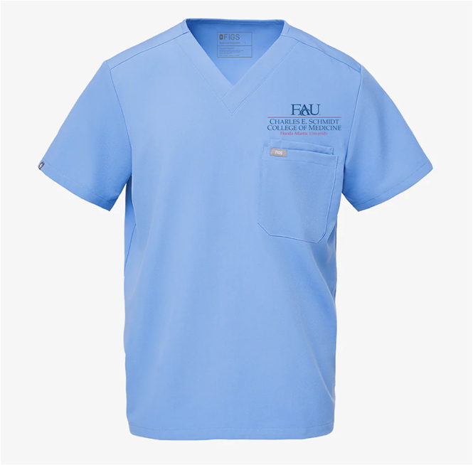
WonderWink WonderWORK Unisex | SIZE AND QUANTITY | SIZE AND QUANTITY | SIZE AND QUANTITY | SIZE AND QUANTITY | SIZE AND QUANTITY |  | <---- As shown
Drawstring Cargo Pant in | XS-0 | S-0 | M-0 | L-0 | XL-0

